SQL (Solutions)
 |  | Note: This is only a version of the solution
1 | Referring to the four tables below. Write an SQL query to retrieve and show unique customer id for each customer, show products (product_name) purchased, and total quantities for that product.
10 mins

 | Order_Header |  | Customers
 | PK | Order_ID | PK | Customer_Id
 | FK | Customer_ID |  | Customer_Name
 |  | Order_Date

 | Order_Details |  | Products
 | PK | Order_ID | PK | Product_ID
 | PK | Product_ID |  | Product_Name
 |  | Quantity |  | Product_Category
 |  |  |  | Product_Group

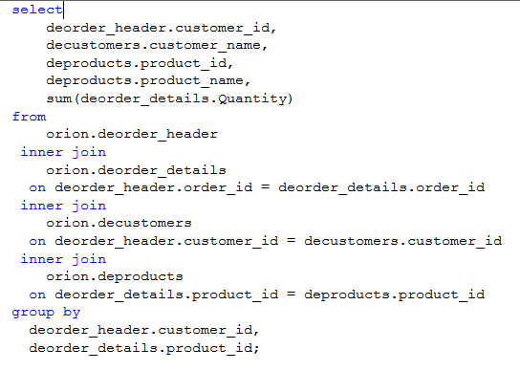

2 | Referring to the two tables below. Write an SQL query to retrieve for each city in a country, show the employees whose salary is between 50,000 and 100,000 (i.e. >=50,000 and <=100,000)
15 mins

 | Employees_Payroll |  | Employees
 | PK | Employee_ID | PK | Employee_ID
 |  | First_Name |  | First_Name
 |  | Last_Name |  | Last_Name
 |  | Salary |  | Employee_Gender
 |  | Employee_Hire_Date |  | Birth_Date
 |  | Employee_Term_Date |  | Gender
 |  |  |  | Country
 |  |  |  | City
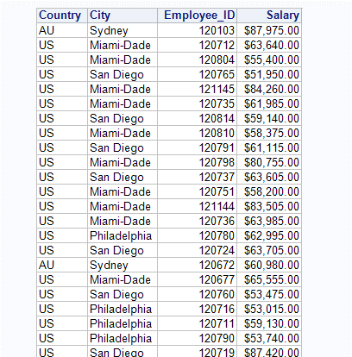
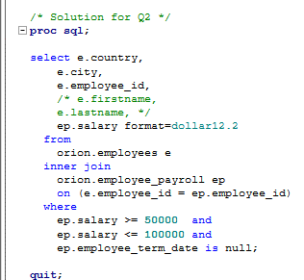

3 | Referring to the two tables below. Write an SQL query to retrieve average employee salary for the city (in a country) greater than $50,000, show the total employees working in that city and the average salary for that city.
15 mins

 | Employees_Payroll |  | Employees
 | PK | Employee_ID | PK | Employee_ID
 |  | First_Name |  | First_Name
 |  | Last_Name |  | Last_Name
 |  | Salary |  | Employee_Gender
 |  | Employee_Hire_Date |  | Birth_Date
 |  | Employee_Term_Date |  | Gender
 |  |  |  | Country
 |  |  |  | City
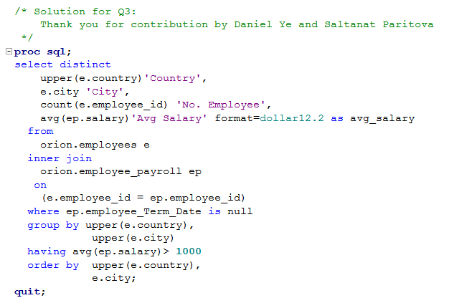
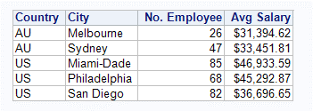

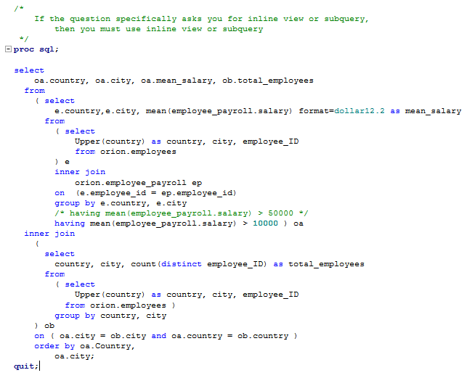

 |  |  |  |  |  | Note: This query is squeezed so I can capture as one query, the columns should have been in different lines.

4 |  | The report should be titled "2018 Total Sales Figures" and must include both the managers’ and employees’ names (displayed as first name followed by last name), and the total retail value of all sales made by each employee in 2018.
20 mins

 |  | · Use one row per employee.
 |  | · Organize the report so that the following standards are observed:
 |  | - Employees under one manager are adjacent to each other (grouped together) on the report.
 |  | - Within each manager’s group, employees are listed in decreasing order of total sales.
 |  | - The Australian groups are listed first, followed by the US groups.
 |  | Manager names are in alphabetical order by last name and then first name.

 | Sales |  | Employees
 | PK | Employee_ID | PK | Employee_ID
 | PK | Year_Month |  | First_Name
 |  | Total_Retail_Price |  | Last_Name
 |  |  |  | Employee_Gender
 |  |  |  | Birth_Date
 |  |  |  | Gender
 |  |  |  | Country
 |  |  |  | City

 |  |  | Employees_Manager
 |  |  | PK | Employee_ID
 |  |  | FK | Manager_ID
 |  |  | FK Manager_ID links to Employee_ID in Employees Table

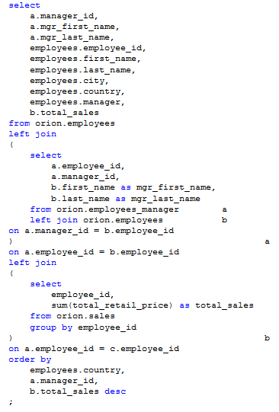

 |  |  |  |  | Note: You can use inner join

ERD (Questions)
Note: I took these questions from the textbook, Chapter 6.

1. What is normalization?
2. When is a table in 1NF?
3. When is a table in 2NF?
4. When is a table in 3NF?
5. When is a table in BCNF?

6. Given the dependency diagram shown in Figure Q6.6

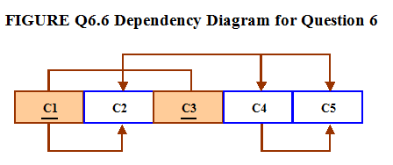

6a. Identify and discuss each of the indicated dependencies.
6b.Create a database whose tables are at least in 2NF, showing the dependency diagrams for each table.
6c.Create a database whose tables are at least in 3NF, showing the dependency diagrams for each table.

7. The dependency diagram in Figure Q6.7 indicates that authors are paid royalties for each book that they write for a publisher. the royalty can vary by author, by book, and by edition of the book.

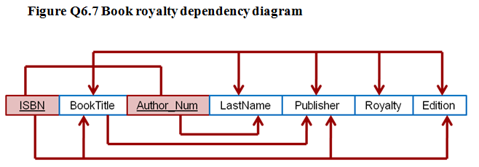

7a. Based on the dependency diagram, create a database whose tables are at least in 2NF, showing the dependency diagram for each table.

7b. Create a database whose tables are at least in 3NF, showing the dependency diagram for each table.

8. The dependency diagram in Figure Q6.8 indicates that a patient can receive many prescriptions for one or more medicines over time. Based on the dependency diagram, create a database whose tables are in at least 2NF, showing the dependency diagram for each table.

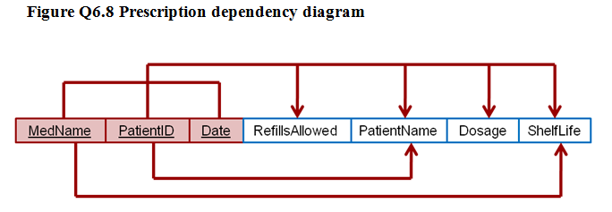

9. What is a partial dependency? With what normal form is it associated?

10. See Q10 ERD - Normalise the table into 3rd and Boyce-Codd Normal Form. You can show the tables in Excel like what we did in Week 4 ERD and Normalisation.

ERD (Solutions)
Note: I took these questions from the textbook, Chapter 6.

1. What is normalization?
 | Normalization is the process for assigning attributes to entities. Properly executed, the normalization process eliminates uncontrolled data redundancies, thus eliminating the data anomalies and the data integrity problems that are produced by such redundancies. Normalization does not eliminate data redundancy; instead, it produces the carefully controlled redundancy that lets us properly link database tables

2. When is a table in 1NF?
 | A table is in 1NF when all the key attributes are defined (no repeating groups in the table) and when all remaining attributes are dependent on the primary key. However, a table in 1NF still may contain partial dependencies, i.e., dependencies based on only part of the primary key and/or transitive dependencies that are based on a non-key attribute.

3. When is a table in 2NF?
 | A table is in 2NF when it is in 1NF and it includes no partial dependencies. However, a table in 2NF may still have transitive dependencies, i.e., dependencies based on attributes that are not part of the primary key.

4. When is a table in 3NF?
 | A table is in 3NF when it is in 2NF and it contains no transitive dependencies.

5. When is a table in BCNF?
 | A table is in Boyce-Codd Normal Form (BCNF) when it is in 3NF and every determinant in the table is a candidate key. For example, if the table is in 3NF and it contains a nonprime attribute that determines a prime attribute, the BCNF requirements are not met. This description clearly yields the following conclusions: • If a table is in 3NF and it contains only one candidate key, 3NF and BCNF are equivalent. • BCNF can be violated only if the table contains more than one candidate key. Putting it another way, there is no way that the BCNF requirement can be violated if there is only one candidate key.

6. Given the dependency diagram shown in Figure Q6.6

6a. Identify and discuss each of the indicated dependencies.
 | C1 -> C2 represents a partial dependency, because C2 depends only on C1, rather than on the entire primary key composed of C1 and C3. C4 -> C5 represents a transitive dependency, because C5 depends on an attribute (C4) that is not part of a primary key. C1, C3 -> C2, C4, C5 represents a set of proper functional dependencies, because C2, C4, and C5 depend on the primary key composed of C1 and C3.

6b.Create a database whose tables are at least in 2NF, showing the dependency diagrams for each table.

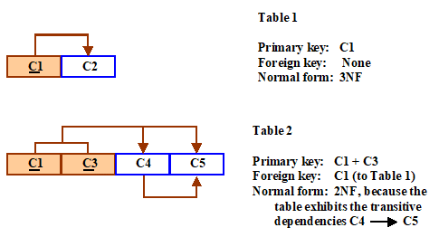

6c.Create a database whose tables are at least in 3NF, showing the dependency diagrams for each table.

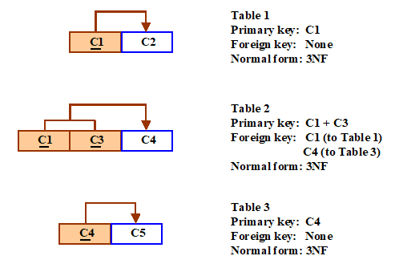

7. The dependency diagram in Figure Q6.7 indicates that authors are paid royalties for each book that they write for a publisher. the royalty can vary by author, by book, and by edition of the book.

7a. Based on the dependency diagram, create a database whose tables are at least in 2NF, showing the dependency diagram for each table.

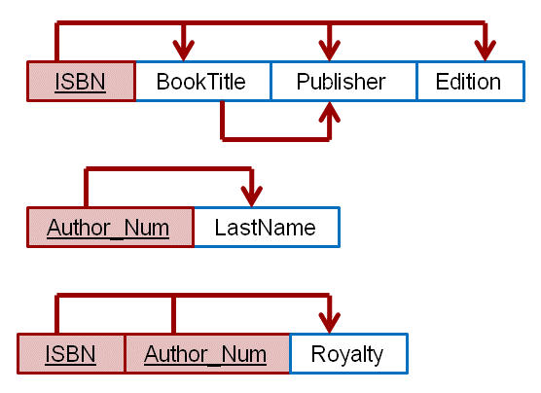

7b. Create a database whose tables are at least in 3NF, showing the dependency diagram for each table.

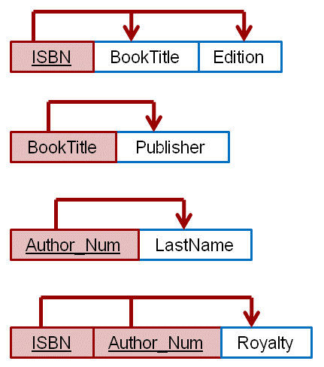

8. The dependency diagram in Figure Q6.8 indicates that a patient can receive many prescriptions for one or more medicines over time. Based on the dependency diagram, create a database whose tables are in at least 2NF, showing the dependency diagram for each table.

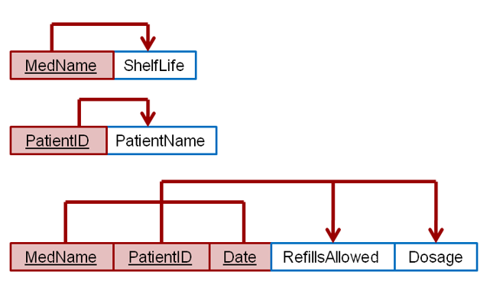

9. What is a partial dependency? With what normal form is it associated?
 | A partial dependency exists when an attribute is dependent on only a portion of the primary key. This type of dependency is associated with 1NF.

